Example
 |  |  |  | Assets | = | Liabilities | + | Owner's Equity
 |  |  |  | 145,000 | = | 13,500 | + | 131,500
 |  |  |  |  |  | 145,000
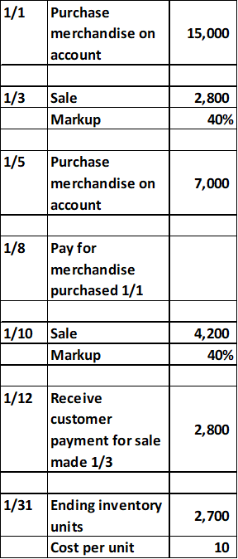
Date | Accounts | Debit | (Credit) | Accounts | Beg Trial Balance | Entries | End Trial Balance |  | Balance Sheet |  |  |  |  |  | Income Statement |  |  | Statement of Owners Equity
2018-01-01 | Merchandise inventory | 15,000 |  | Cash | 120,000 | (12,200) | 107,800 |  | Assets: |  |  | Liabilities: |  |  | Revenue: |  |  | Blink, Capital Beginning | 29,500
 | Accounts payable |  | (15,000) | Accounts Receivable | 6,000 | 4,200 | 10,200 |  | Cash | 107,800 |  | Accounts payable | 13,500 |  | Sales |  | 107,000 | Add: Owner investments | 0
 |  |  |  | Merchandise inventory | 10,000 | 17,000 | 27,000 |  | Accounts Receivable | 10,200 |  | Total liabilities |  | 13,500 | Sales returns and allowances | 0 |  | Add: Net income | 102,000
2018-01-03 | Accounts Receivable | 2,800 |  | Accounts payable | (6,500) | (7,000) | (13,500) |  | Merchandise inventory | 27,000 |  | Equity: |  |  | Sales discounts | 0 | 0 | Less: Owner withdrawals | 0
 | Sales |  | (2,800) | Capital | (29,500) |  | (29,500) |  |  |  |  | Capital |  | (131,500) | Net revenue |  | 107,000 | Blink, Capital Ending | 131,500
 |  |  |  | Sales | (100,000) | (7,000) | (107,000) |  |  |  |  |  |  |  | Expenses:
 | Cost of good sold | 2,000 |  | Sales returns and allowances | 0 |  | 0 |  | Total assets |  | 145,000 | Total liabilities and equity |  | (118,000) | Cost of good sold |  | 5,000
 | Merchandise inventory |  | (2,000) | Sales discounts | 0 |  | 0 |  |  |  |  |  |  |  | Gross Profit / Net income |  | 102,000
 |  |  |  | Cost of good sold | 0 | 5,000 | 5,000
2018-01-05 | Merchandise inventory | 7,000 |  | Total Debits - Total (credits) | 0 | 0 | 0
 | Accounts payable |  | (7,000) | Net Income | (100,000) | (2,000) | (102,000)

2018-01-08 | Accounts payable | 15,000
 | Cash |  | (15,000) | Cost of Goods Sole:
 |  |  |  | Beginning Inventory |  | 10,000
2018-01-10 | Accounts Receivable | 4,200 |  | Purchases |  | 22,000
 | Sales |  | (4,200) | Good available for sale |  | 32,000
 |  |  |  | Ending Inventory |  | 27,000
 | Cost of good sold | 3,000 |  | Cost of Goods Sold |  | 5,000
 | Merchandise inventory |  | (3,000)

2018-01-12 | Cash | 2,800 |  | Markup: is the amount added to the cost price of goods to cover overheads and profit.
 | Accounts Receivable |  | (2,800) | Cost * Markup Percentage= Sales Amount Or Cost + Markup Amount= Sales Amount
 |  |  |  | X * (1+40%) = 2800 | Cost | 2,000
 |  |  |  | X = 2800/1.40 | Markup% | 0.40
 |  |  |  | X=2000 | Sales Amount | 2,800

